Introduction
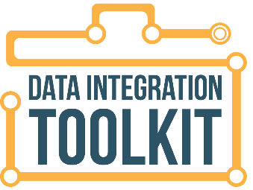
 | Once the decision has been made to integrate IDEA data into the statewide longitudinal data system (SLDS), the technical aspects of extracting the data from its source system, making any transformations in the data to help it align with the destination system with which it is being integrated, and the process of loading the data must be developed. This extract, transform, and load (ETL) process must be done correctly for the integrated data to be appropriately available to be utilized. Much thought and consideration needs to go into the ‘rules’ for doing the ETL. To assist with this effort, the following template has been developed.
 | Who should use this resource?
 | • | Use the checklist as you engage program and IT staff in the collection of the recommended information, as described in Step 5 of the Toolkit and this template.

 | What does the resource contain?
 | • | A checklist of items that need to be considered as the ETL is being developed.
 | • | An example of an ETL mapping to demonstrate how the process works and to provide a tangible example.

Go to CIID Toolkit
 | How should the resource be used?
 | • | It is recommended to use this in conjunction with the CIID Data Integration Toolkit, Sections 5.2 & 5.3.

 | • | Make use of the work done in Steps 3 and 4 where elements and their locations were documented in the CEDS Align tool as well as the master integrated data set. The CEDS Align maps can be used to assist in writing the ETL transformation process. The Align tool provides the user the ability to compare one map with another. Comparing the source system map(s) with the destination system map(s) will provide information about the type of transformation required.
Go to CEDS Align
 | • | Use the checklist as you engage program and IT staff in the collection of the recommended information. This checklist is not meant to be an exhaustive list, but a place to start the discussion as decisions are made concerning the ETL of the data.
 | • | The ETL section provides an example of the types of information needed to accurately develop the ETL. Source and destination data elements are referenced, along with transformation rules, and real field names are used to show how source data are mapped to destination data fields.
 | • | The definitions of the data fields are provided in the Column Descriptions section of this template.

